Feature Selection
 | Table 1. Finding important features with different methods | Remove low variance | Univariate (SelectKBest) | Recursive feature elimination |  | Tree-based estimator (impurity-based) |  |  | Table 2. Comparison between different features selection methods | Variance |  | Univariate (SelectKBest) | Recursive feature elimination | Tree-based estimator (impurity-based) | Overall
# | features | Variance | ranking | feature_importances_ | ranking | feature_importances_ | ranking | # | features | top 10 | top 17 | top 17 (optimal n) | top 14 (optimal n) | top 19 (optimal n) | top 5
1 | Age | 1.00001 | 20 | 0.02766251 | 7 | 0.02272672 | 16 | 1 | Age
2 | Inflight wifi service | 1.00001 | 11 | 0.17726932 | 2 | 0.13894325 | 1 | 2 | Inflight wifi service
3 | Departure/Arrival time convenient | 1.00001 | 23 | 0.00556886 | 18 | 0.01837680 | 17 | 3 | Departure/Arrival time convenient
4 | Ease of Online booking | 1.00001 | 18 | 0.00476826 | 20 | 0.03968954 | 10 | 4 | Ease of Online booking
5 | Gate location | 1.00001 | 26 | 0.02029665 | 8 | 0.01774794 | 18 | 5 | Gate location
6 | Food and drink | 1.00001 | 16 | 0.00487805 | 19 | 0.01498315 | 20 | 6 | Food and drink
7 | Online boarding | 1.00001 | 2 | 0.36352008 | 1 | 0.10575305 | 3 | 7 | Online boarding
8 | Seat comfort | 1.00001 | 6 | 0.01509159 | 11 | 0.04479739 | 7 | 8 | Seat comfort
9 | Inflight entertainment | 1.00001 | 5 | 0.04770189 | 4 | 0.04500729 | 6 | 9 | Inflight entertainment
10 | On-board service | 1.00001 | 7 | 0.00942153 | 17 | 0.03314552 | 11 | 10 | On-board service
11 | Leg room service | 1.00001 | 8 | 0.01359945 | 12 | 0.04287809 | 9 | 11 | Leg room service
12 | Baggage handling | 1.00001 | 12 | 0.01803802 | 10 | 0.02536391 | 15 | 12 | Baggage handling
13 | Checkin service | 1.00001 | 14 | 0.02978305 | 6 | 0.03152296 | 12 | 13 | Checkin service
14 | Inflight service | 1.00001 | 13 | 0.0133965 | 13 | 0.02673017 | 14 | 14 | Inflight service
15 | Cleanliness | 1.00001 | 9 | 0.01106076 | 14 | 0.02882335 | 13 | 15 | Cleanliness
16 | Departure Delay in Minutes | 1.00001 | 24 | 0.01003016 | 16 | 0.01164295 | 22 | 16 | Departure Delay in Minutes
17 | Arrival Delay in Minutes | 1.00001 | 22 | 0.01021186 | 15 | 0.01194626 | 21 | 17 | Arrival Delay in Minutes
18 | Gender_Male | 0.249947 | 25 | 0.00240283 | 22 | 0.00687586 | 23 | 18 | Gender_Male
19 | Customer Type_disloyal Customer | 0.149308 | 17 | 0.04114176 | 5 | 0.04395256 | 8 | 19 | Customer Type_disloyal Customer
20 | Type of Travel_Personal Travel | 0.214044 | 4 | 0.14864845 | 3 | 0.09412279 | 4 | 20 | Type of Travel_Personal Travel
21 | Class_Business | 0.249518 | 1 | 0.01899995 | 9 | 0.10624194 | 2 | 21 | Class_Business
22 | Class_Eco | 0.247491 | 3 | 0.00099063 | 25 | 0.06213034 | 5 | 22 | Class_Eco
23 | Class_Eco Plus | 0.066923 | 21 | 0.00111475 | 24 | 0.00485738 | 25 | 23 | Class_Eco Plus
24 | Flight Distance_binned_long | 0.051043 | 19 | 0.00041524 | 26 | 0.00110834 | 26 | 24 | Flight Distance_binned_long
25 | Flight Distance_binned_middle | 0.164451 | 15 | 0.00143294 | 23 | 0.00521081 | 24 | 25 | Flight Distance_binned_middle
26 | Flight Distance_binned_short | 0.193102 | 10 | 0.00255493 | 21 | 0.01542164 | 19 | 26 | Flight Distance_binned_short
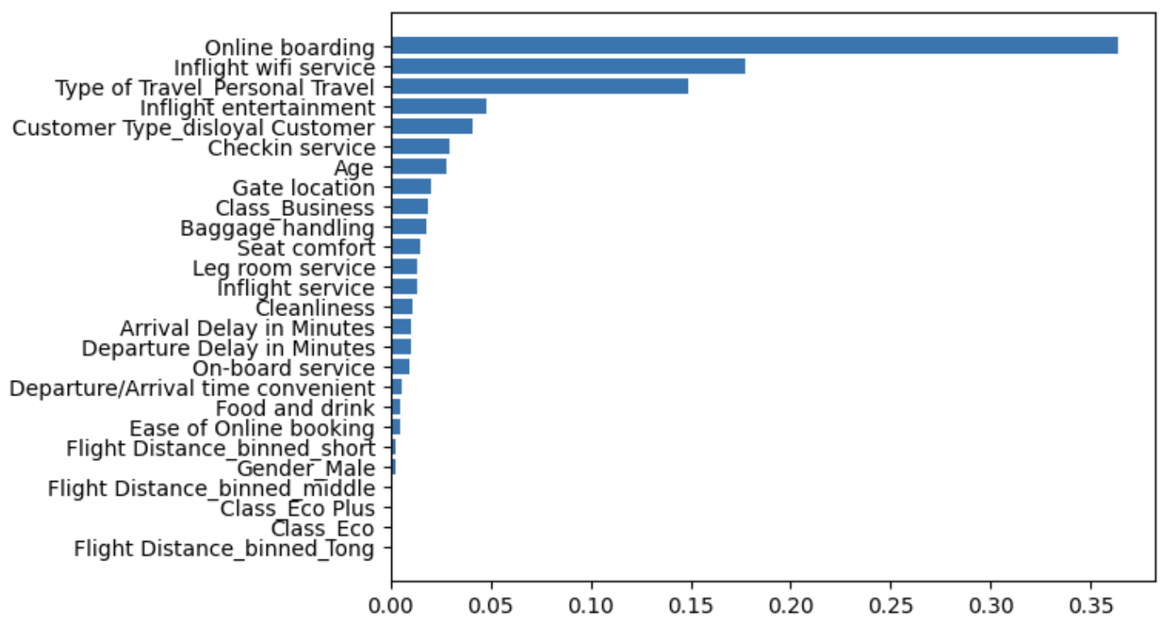
 |  |  |  |  |  |  |  |  |  |  |  |  |  |  |  | baseline
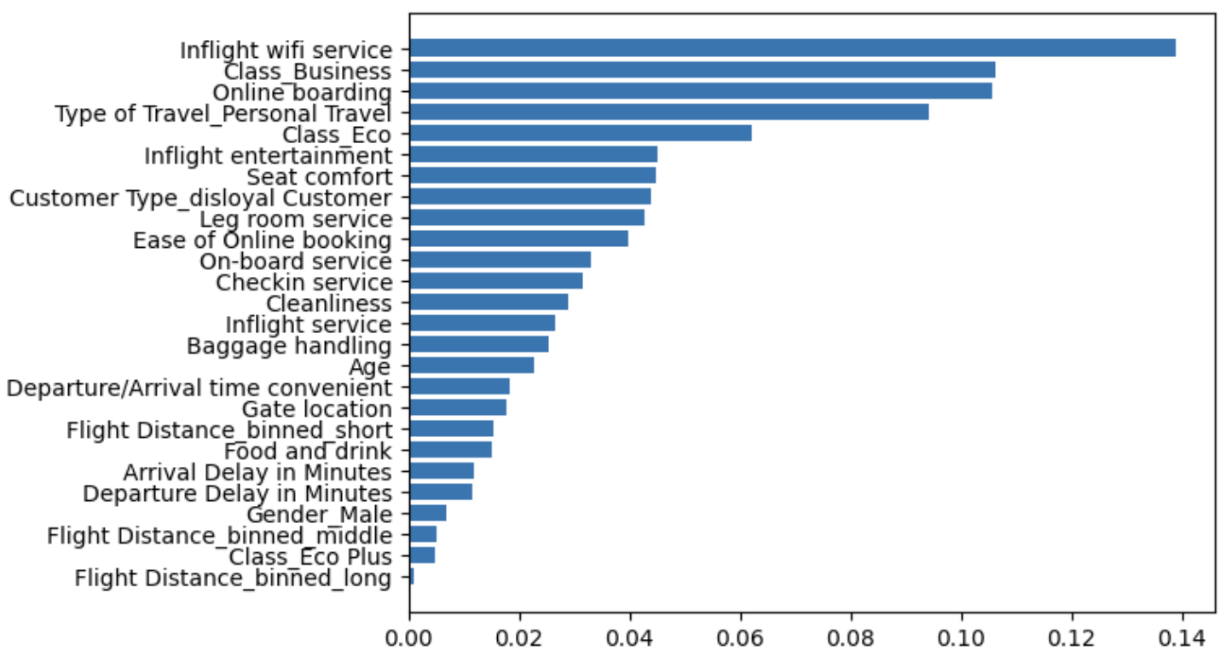
 |  |  |  |  |  |  |  |  | Simple Accuracy | 0.91872 | 0.93484 | 0.957292719 | 0.959819065 | 0.960492758 | 0.92690 | 0.9592416149
 |  |  |  |  |  |  |  |  | Cross-val accuracy | 0.91887 | 0.93486 | 0.958298044 | 0.959857176 | 0.960232522 | 0.92634 | 0.9592027256
 |  |  |  |  |  |  |  |  | Cross-val AUC | 0.91558 | 0.93099 | 0.955077925 | 0.956743665 | 0.957409310 | 0.92300 | 0.9562811795
 |  |  |  |  |  |  |  |  | Tree Nodes | 879 | 879 | 879 | 879 | 879 | 553 | 879
 |  |  |  |  |  |  |  |  | vs baseline | dropped | dropped | dropped | risen | risen | dropped | -
 |  |  |  |  |  |  |  |  | FPR (choose lowest) | 0.080669187579 | 0.05477 | 0.028350873939 | 0.027130886 | 0.029045261 | 0.07034 | 0.0296166444

